Problem_1
Problem 1 (1 point)

For each of the following problems, put the value of "x" in one column. In a second column write the name of the function you are using to evaluate the output function. (Remember that when typing math that you want to display as text instead of produce a calculation that you can use a single quote ' .) In a third column, have Excel calculate the value of the function using the input value.
 | Input Value (x) | Function Used | Output value f(x)
 | 0.5 | cos(x) | 0.87758256189
 | 30 | sin(x) | 0.5
 | 2 | tan(p/x) | 1.6324552278E+16
 | 5 | max of 4 exressions | 41.666666667
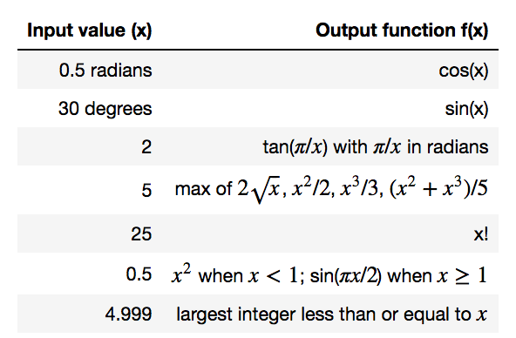
 | 25 | x! | 1.5511210043E+25
 | 0.5 | x^2 if x < 1, sin(px/2) otherwise | 0.25
 | 4.999 | x rounded down | 4

Problem_2
Problem 2 (2 points)
For each gray cell, evaluate the volume of a cylinder with diameter given in the corresponding row and height given in the corresponding column. Use a SINGLE equation, written in cell C9, and "fill" or "copy" that equation into all other cells using either a fill or copy operation. Use relative and absolute addresses in that single equation, as needed.

Pi |  | Height 1 (m) | Height 2 | Height 3 | Height 4
3.14159 | Diam (m) | 4.4 | 5.5 | 6.6 | 7.7
 | 0.1 | 0.03455749 | 0.0431968625 | 0.051836235 | 0.0604756075
 | 0.2 | 0.13822996 | 0.17278745 | 0.20734494 | 0.24190243
 | 0.3 | 0.31101741 | 0.3887717625 | 0.466526115 | 0.5442804675
 | 0.4 | 0.55291984 | 0.6911498 | 0.82937976 | 0.96760972
 | 0.5 | 0.86393725 | 1.0799215625 | 1.295905875 | 1.5118901875
 | 0.6 | 1.24406964 | 1.55508705 | 1.86610446 | 2.17712187
...

pipe_data (2)
 | Simulation | Correlation
0 | 0.0061956649486
1.0005002501 | 1.0038375626
2.0010005003 | 2.0415145611
3.0015007504 | 3.0909100673
4.0020010005 | 4.1144651844
5.0025012506 | 5.0934898422
6.0030015008 | 6.002942754
7.0035017509 | 6.8447106635
8.004002001 | 7.6309080571
9.0045022511 | 8.3446382368
10.005002501 | 8.9611328877 | 10.81728102
11.005502751 | 9.4848600707 | 11.049744873
12.006003002 | 9.9453530766 | 11.261967743
13.006503252 | 10.385736261 | 11.45719386
14.007003502 | 10.782131343 | 11.637945011
15.007503752 | 11.126905676 | 11.806220308
16.008004002 | 11.453772482 | 11.963631335
17.008504252 | 11.768085207 | 12.111496266
18.009004502 | 12.033563341 | 12.250907032
19.009504752 | 12.240423979 | 12.382778303
20.010005003 | 12.400762313 | 12.507883899
21.010505253 | 12.512493486 | 12.626884299
22.011005503 | 12.600618482 | 12.740347752
23.011505753 | 12.720412035 | 12.848766685
24.012006003 | 12.844164791 | 12.952570623
25.012506253 | 12.967490576 | 13.052136463
26.013006503 | 13.067819698 | 13.147796739
27.013506753 | 13.156850683 | 13.23984632
28.014007004 | 13.250862669 | 13.328547891
29.014507254 | 13.325339073 | 13.414136476
30.015007504 | 13.410204001 | 13.496823187
31.015507754 | 13.481014845 | 13.576798365
32.016008004 | 13.579636364 | 13.654234214
33.016508254 | 13.68937065 | 13.72928704
34.017008504 | 13.781219254 | 13.802099146
35.017508754 | 13.875051747 | 13.872800455
36.018009005 | 13.994946735 | 13.941509911
37.018509255 | 14.115133341 | 14.008336677
38.019009505 | 14.210472866 | 14.073381182
39.019509755 | 14.272081351 | 14.136736027
40.020010005 | 14.308021648 | 14.198486778
41.020510255 | 14.338164958 | 14.258712663
42.021010505 | 14.339068265 | 14.317487179
43.021510755 | 14.355401285 | 14.374878636
44.022011006 | 14.42400501 | 14.430950632
45.022511256 | 14.515358756 | 14.485762475
46.023011506 | 14.606310718 | 14.539369565
47.023511756 | 14.700322086 | 14.591823724
48.024012006 | 14.790967904 | 14.643173502
49.024512256 | 14.879109532 | 14.693464447
...
u102 | u103 | u104 | u1042 | u105 | u106
0.018904797336 | 0.018904797336 | -0.0065134674393 | 0 | 0.0061956649486
1.0108915615 | 1.0108915615 | 0.99678356376 | 1.0005002501 | 1.0038375626
2.0349824944 | 2.0349824944 | 2.0480466279 | 2.0010005003 | 2.0415145611
3.0709061049 | 3.0709061049 | 3.1109140297 | 3.0015007504 | 3.0909100673
4.102074099 | 4.102074099 | 4.1268562697 | 4.0020010005 | 4.1144651844
5.0934526116 | 5.0934526116 | 5.0935270728 | 5.0025012506 | 5.0934898422
6.006471142 | 6.006471142 | 5.9994143659 | 6.0030015008 | 6.002942754
6.8420116132 | 6.8420116132 | 6.8474097137 | 7.0035017509 | 6.8447106635
7.6263549273 | 7.6263549273 | 7.6354611869 | 8.004002001 | 7.6309080571
8.3532731482 | 8.3532731482 | 8.3360033255 | 9.0045022511 | 8.3446382368
8.9970139514 | 8.9970139514 | 8.9252518239 | 10.005002501 | 8.9611328877 | 10.81728102
9.5511245435 | 9.5511245435 | 9.4185955979 | 11.005502751 | 9.4848600707 | 11.049744873
10.011566554 | 10.011566554 | 9.8791395994 | 12.006003002 | 9.9453530766 | 11.261967743
10.426502289 | 10.426502289 | 10.344970234 | 13.006503252 | 10.385736261 | 11.45719386
10.815747378 | 10.815747378 | 10.748515308 | 14.007003502 | 10.782131343 | 11.637945011
11.145991723 | 11.145991723 | 11.107819629 | 15.007503752 | 11.126905676 | 11.806220308 | The simulation doesn't fit as well as I'd like. The correlation's slope seems a little too small in relation.
11.44297024 | 11.44297024 | 11.464574725 | 16.008004002 | 11.453772482 | 11.963631335
11.694531947 | 11.694531947 | 11.841638468 | 17.008504252 | 11.768085207 | 12.111496266
11.916919944 | 11.916919944 | 12.150206738 | 18.009004502 | 12.033563341 | 12.250907032
12.092441181 | 12.092441181 | 12.388406776 | 19.009504752 | 12.240423979 | 12.382778303
12.248174273 | 12.248174273 | 12.553350353 | 20.010005003 | 12.400762313 | 12.507883899
12.359758389 | 12.359758389 | 12.665228582 | 21.010505253 | 12.512493486 | 12.626884299
12.449471359 | 12.449471359 | 12.751765606 | 22.011005503 | 12.600618482 | 12.740347752
12.563650565 | 12.563650565 | 12.877173505 | 23.011505753 | 12.720412035 | 12.848766685
...

Problem_3
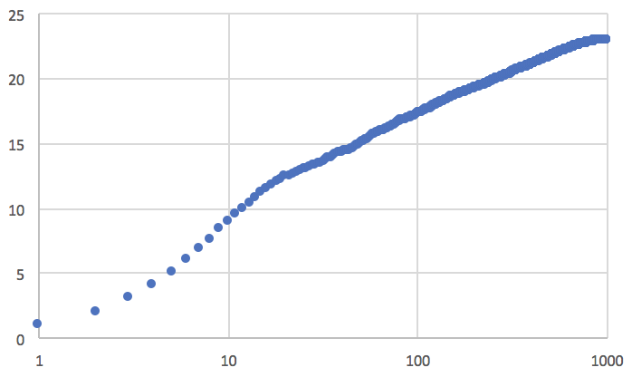
Problem 3 (4 points)

This is similar to the plotting example shown in class, but uses real simulation results. See also the posted lecture notes (powerpoint slides) for information about fluid mechanics. There is a lot of text here, but this is an example of real work.
Part A:
Load the data from text file pipe_data.txt into this Excel Sheet. Start the data in cell A1. To do this, go to the Data tab, then the "From Text" icon. Select "Delimited" and "space", then load the data in.
Part B:
The first column of the data you now have is "position across a pipe". x=0 is the center of the pipe. The other columns are instantaneous profiles of the streamwise velocity. At each position, find the average of all velocities. These averages should go in column CX.
Part C:
Copy the VALUES in column CX to column CY. That is, copy column CX, then click on cell CY1, then right click and select paste special, then select values. This way you get the numbers not the formula that made the numbers.
Part D:
Plot Column CY versus Column A. The data are nominally symmetric about the center of the pipe. That is, we have two values (that should be similar) at the same distance from the center of the pipe. We want to collapse these into one value (the average of the two), and then only plot data from the wall to the center. To do this, the second half of the data have to be "flipped" around the centerline. Google how to "flip data in Excel" to flip the second half of the data. It should now be next to the first half of the data in column CZ. Once you have this, average the values in CY and CZ. Put this in column DA.
Part E:
Now, we want to insert a new column. Right click on Column DA and select "Insert".
The x axis goes from -1 to 1, but we are now only using the first half of the data. We want to shift the x-data to start at 0. Also, multiply by 1000, that is, (columnA+1)*1000, and put the result in the newly inserted column. Only fill down half of the data. The shifted and scaled x-axis is now in column DA and goes from 0 to 1000.
Part F:
Plot columns DA versus DB (average velocity versus distance from the pipe wall). Use a log scale for the x-axis (there is a radio button for this). Use data markers only (not lines). Adjust the axes so they cross in the right place. Add an axis label for x. Call it "x+". Add an axis label for the y-axis, call it "u+". The plot should look something like what is shown below (but is missing labels).
Part G:
The linear portion of the plot from about x=10 to 1000 is the so-called "log layer." The linear relation is used in modeling turbulent momentum, mass, and heat tranfer near surfaces. The following correlation is used: u+ = (1/K)*ln(x+) + B. (Note, the "+" on "u+" and "x+" is supposed to be a superscript label, not an addition operation). Add a curve for this correlation on the same plot using K = 0.41, and B=5.2. Use an orange line. Include series labels (a legend) to indicate which series is the "simulation" and which is the "correlation".
Part H:
The correlation fits actual experimental data. How well did our simulation compare to the correlation?

